Market Size
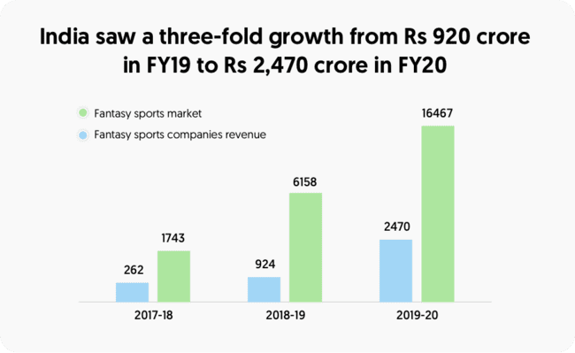
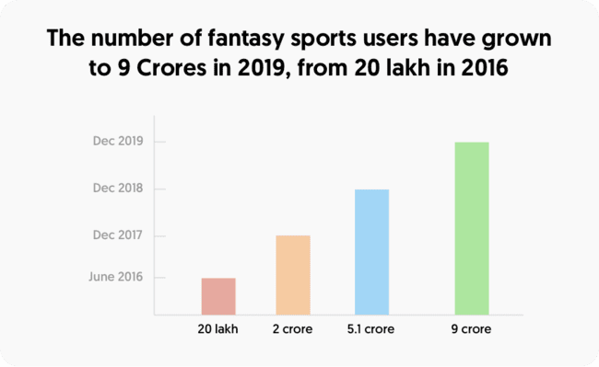
The revenue of the fantasy sports market was nearly 15.68 billion USD in the year 2019.The global fantasy sports market is valued at USD 22.31 billion as of 2021.The market of global fantasy sports is expected to grow at a CAGR of nearly 12% till 2022.The market size of fantasy sports is expected to reach $38.60 billion in 2025 at a CAGR of 14.7%.
The revenue of fantasy sports operators stood at Rs.2,400 crore (US$ 340.47 million) for FY20 compared with Rs.920 crore (US$ 131.64 million) in FY19—3X YoY increase. The Indian fantasy sports industry is expected to be worth US$ 3.7 billion by 2024.
E-sports estimated worth is nearly $1 billion, estimated to have a 60% increase by 2024
In financial year 2021, the online fantasy sport sector of India's online gaming market was valued at over 20 billion Indian rupees. The segment's market size was further projected to exceed 50 billion Indian rupees by financial year 2025.
The market size of the fantasy sports services sector in the United States reached 8.48 billion U.S. dollars in 2019, reflecting an increase over the previous year.
The Asia-Pacific Fantasy Sports Market is expected to register a CAGR of 18.32% over the forecast period from 2021 to 2026.

 | FANTASY SPORTS |  | FANTASY E-SPORTS
MARKET SIZE | Total Market (globally) | Total Market (India) | Total Market (globally) | Total Market (India)
TAM:The Total Available Market(TAM) is the total market demand for a product or service.It is the maximum amount of revenue a business can possibly generate by selling their product or service in a specific market. | USD 22.31 billion | USD 340.47 million | USD 950.3 million | INR 20 billion
SAM:The Serviceable Available Market(SAM) is the segment of the TAM targeted by your products and services which is within your geographical reach. | USD 6.69 billion | USD 102.14 million | USD 285.09 million | INR 6 billion
SOM:The Servicable Obtainable Market(SOM) is the most useful for businesses to determine short-term growth targets | USD 669 million | USD 10.21 million | USD 28.5 million | INR 600 million

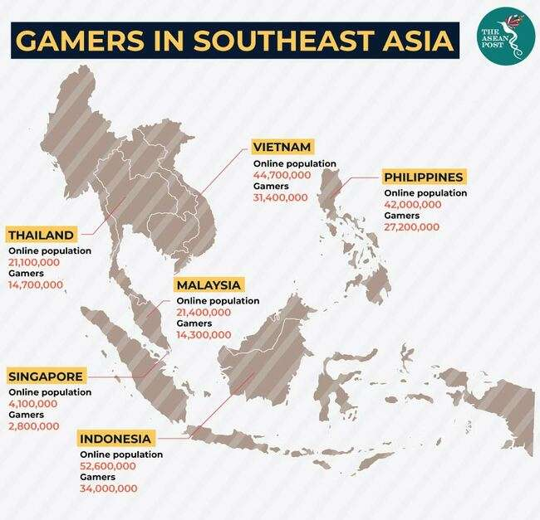

The fantasy sports market has seen tremendous growth in the past few years. The top most influential factor of rapid market expansion is the proliferation of digital infrastructure in the developing region. The number of internet subscribers in India is estimated to reach 639 millions by the end of December 2020 from 560 millions in september 2018. Furthermore, average data usage per subscriber has increased significantly owing to availability of affordable smartphones coupled with rapidly falling data prices accross the country. This growth in digital infrastructure along with the availability of high speed internet at affordable prices helps in driving the growth of the fantasy sports market in the region.

Players operating in the fantasy sports market offer complete transparency to customers in terms of their monetary transactions. All financial transactions on sports fantasy platforms are secured with verified payment gateways, thus building greater confidence among users. Furthermore, the platforms allow greater transparency by allowing users to view teams created by their competitors and disclosing the amount of money at the start of the game and also revealing the money to be won by different rank holders in a contest. This result in transparent competition between users. High transparency, fair playing policies and regulations along with secure payment gateways results in higher consumer confidence amongst the users of fantasy sports platforms.

E-sports games
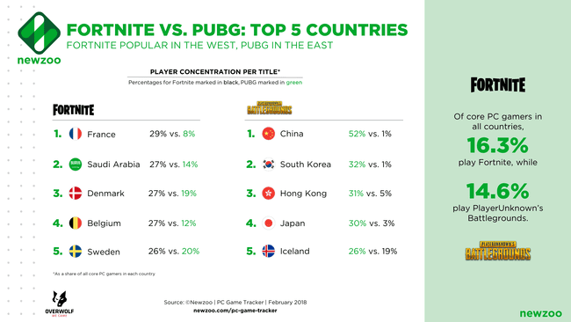
Valorant-Valorant is a free-to-play first-person hero shooter developed and published by Riot Games, for Microsoft Windows. First teased under the codename Project A in October 2019, the game began a closed beta period with limited access on April 7, 2020, followed by an official release on June 2, 2020.
Players(globally)-Valorant has maintained at least an estimated 14 million active players each month of 2021, peaking in July with almost 15 million players.Valorant-creator of league of legends.North America is arguably the most vibrant region in Valorant Esports.
Players(India)-5-7 million every month (approx)
Total Application downloads(globally)-PC-about 40-50 million
Total Application downloads(India)-PC-10-20 million(approx)
Riot Games announced an API in 2020 for its Valorant game. Through the Valorant API, developers will be able to call access to match history and content data. At launch, Riot Games is restricting access to the API to approved use cases. The company wants to strictly control access at this time.
The game has attracted a record number of more than one million viewers on Twitch streaming platform during the first days after its release.
Famous tournaments-Valorant Champions Tour-800k viewers
https://escharts.com/tournaments/valorant

Famous youtube streamer(globally)- 1.Michael "Shroud" Grzesiek,The Canadian player retired from the professional esports scene in 2018 and became a full-time content creator. | https://www.youtube.com/channel/UCoz3Kpu5lv-ALhR4h9bDvcw
Famous youtube streamer(India)- Sohail “Zishu” Sheikh,
https://www.youtube.com/channel/UCLFzEsz090tZm9XzyGj-3zw
Top-notch player-NANANANANA NOOBS
All player information-
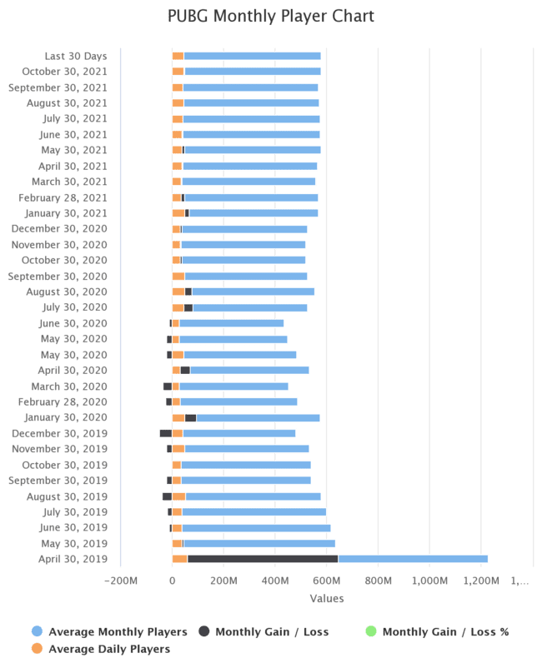
https://app.mobalytics.gg/valorant/leaderboard

Pub G-It is an online multiplayer battle royale game. It was released in December of 2017 by PUBG Corporation (Krafton Inc.). It is a subsidiary of Bluehole, a South Korean video game company. It has become a rage in many parts of the world since its release. According to Wiki, it is the best-selling, highest-grossing, most-played video game of all times.
Players(Globally)-
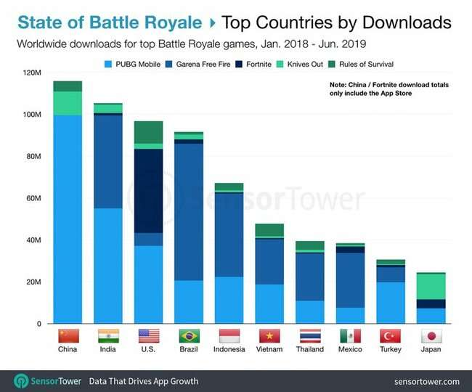

30million-Daily active users as of now

Players(India)-(BGMI)-The 34-million user mark includes an increased 16 million daily active users and 2.4 million peak concurrent users.
Total Application downloads(globally)-MOBILE-1 billion downloads as of March 2021,PC-70 million
Total Application downloads(India)-BGMI MOBILE-50M+,PC-
The totally FREE PUBG API lets YOU, the developer, create insanely cool apps and websites powered by millions of PUBG match data points from PC (Steam), Xbox one and PS4. Side note- Mobile data is not currently available via PUBG API.
Famous Tournaments-The PUBG Mobile Global Championship was a mobile eSports tournament that took place from November 2020 to January 2021 between the best 24 PUBG Mobile teams from throughout the world. Peak viewership throughout the tournament reached 3.8 million, while an average of 528 thousand viewers tuned in to watch the games.
https://escharts.com/tournaments/pubg
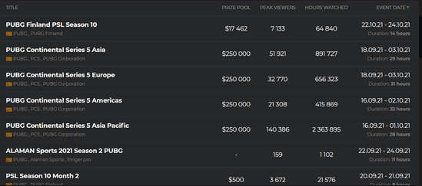

Famous Tournaments of BGMI(India)- | https://timesofindia.indiatimes.com/gadgets-news/battlegrounds-mobile-india-esports-tournament-announced-all-details/articleshow/87167835.cms
 | https://www.kreedon.com/top-pubg-tournament-in-india/

Famous youtube streamer(globally)- Dynamo Gaming aka Aadii Sawant, is an Indian YouTuber who live streams PUBG Mobile. He has over 9.06 million subscribers and 813 million views on his channel.
https://www.youtube.com/channel/UCqNH56x9g4QYVpzmWTzqVYg
Famous youtube streamer(India)-
https://www.youtube.com/channel/UCNawD-EOzpfjDs5CBs5mBiQ
Top-notch player-Cha “Pio” Seung-hoon
All player information-
https://pubgstats.com/index.php?page=1&sort=home

DOTA 2-Released in July 2013, DOTA 2 is yet another game developed by Valve Corporation. DOTA 2 is one of the favorites in the gaming industry; all of the Top 10 eSports with the highest earnings play DOTA 2.
Players(globally)-With the number of monthly active users of DOTA 2 regularly exceeding 7.6 million.The MAU figure peaked back in June 2016, when an average of over 13 million players enjoyed the game every month.
Players(India)-2-3 million players every month
Total Application downloads(globally)-Over 25 million approx
Total Application downloads(India)-5-10 million(approx)
There is a free Dota 2 stats API available to use.
Famous Tournaments-The International 8 in 2018 attracted approximately 14.96 million concurrent viewers in peak moment.In fact, all five of the top eSports tournaments of all time were editions of The International, highlighting its importance in the eSports universe.
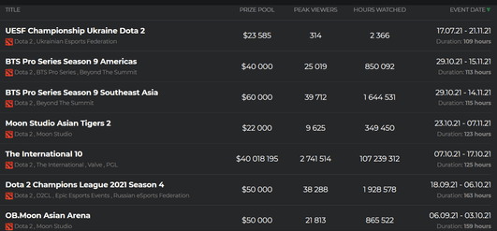
https://escharts.com/tournaments/dota2

Famous Youtube/Twitch streamer(globally)- Stray228-1,082,636 followers,
https://www.twitchmetrics.net/c/40488774-stray228
Famous Twitch streamer(India)- Helm, whose real name is Gaurav, is another hugely successful Twitch streamer. He has over 5,500 followers on his channel,
https://www.twitch.tv/helm
Top-notch player-Kuro “KuroKy” Salehi Takhasomi
All player information-
https://liquipedia.net/dota2/Portal:Statistics

League of Legends-It was released by the Los Angeles-based Riot Games in 2009, the League of Legends is a multiplayer online battle arena (MOBA) video game. This game is said to have been inspired by DOTA.
Players(Globally)-Stats reveal that as of 2020, League of Legends has around 115 million users.
Players(India)-
Total Application downloads(totally)- about 150 million
Total Application downloads(India)- 20-30 million(approx)
About the Riot Games API. With this site we hope to provide the League of Legends developer community with access to game data in a secure and reliable way.
Famous Tournaments-Last year’s League of Legends world final, where fans gathered live and in front of screens to watch players compete in a fantasy battle video game for a shared prize of more than £5m, was watched by 14.7m people simultaneously.
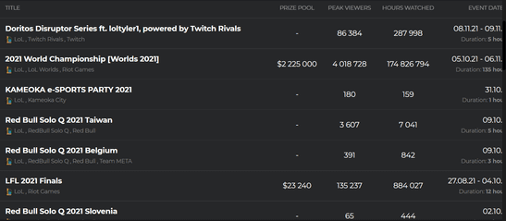
https://escharts.com/tournaments/lol

Famous youtube/Twitch streamer(globally)- Tyler1 ,
https://www.twitch.tv/loltyler1
Famous youtube streamer(India)-Technoblade,
https://www.youtube.com/c/technoblade
Top-notch player-Lee “Faker” Sang-hyeok is indisputably the best LoL player of all time.
All player information-
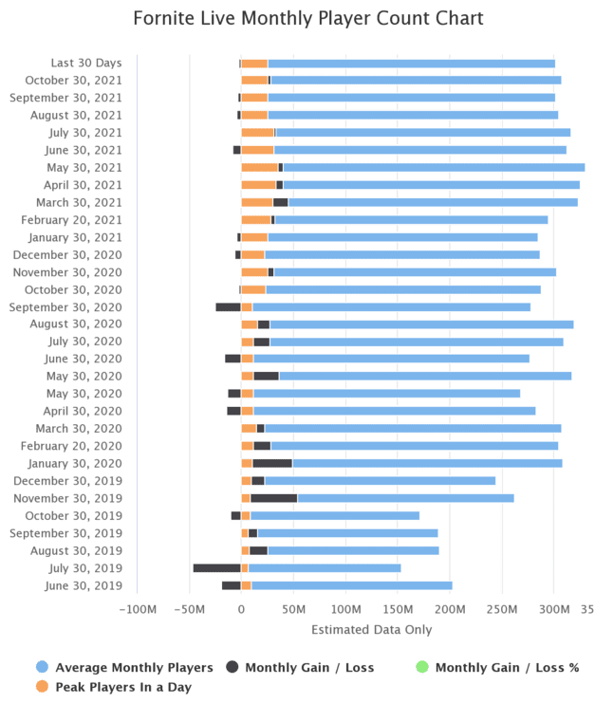
https://www.esportsearnings.com/games/164-league-of-legends/top-players

Fortnite- It was released by Epic games in 2017, Fortnite is a game that is available in three versions: Fortnite: Save the World, Fortnite Battle Royale, Fortnite Creative.
Players(Globally)-In 2021, there are between 3 and 4 million people playing Fortnite concurrently every day across all platforms.
Players(India)-1 million everyday (approx)
Total Application downloads(totally)-450 million
Total Application downloads(India)-50 million+
Fortnite API is a reliable API that currently provides 400+ websites and apps with data. We process approximately 25,000 requests from our customers and users every minute.
Famous Tournaments- Fortnite World Cup 2019 - 2,334,826 viewers
https://escharts.com/tournaments/fortnite

Famous youtube streamer(globally)- Lachlan-The Australian YouTuber takes the crown for being the most popular Fortnite YouTuber in 2021.
https://www.youtube.com/c/lachlan
Famous youtube streamer(India)- young YouTuber Harsh Raj Singh AKA “Mello Harsh”
https://www.youtube.com/c/melloharsh
Top-notch player-Kyle Giersdorf,gamer id-Bugha
All player information-
https://fortnitetracker.com/leaderboards

Call Of Duty-Call of Duty is a first-person shooter video game franchise.Starting out in 2003, it first focused on games set in World War II. Over time, the series has seen games set in the midst of the Cold War, futuristic worlds, and outer space.
Players(Globally)-The number of daily players has surpassed the six million mark with 6,196,338 players loading up the game each day.That's an average monthly player base of over 53 million
Players(India)-17.5 million downloads
Total Application downloads(totally)-MOBILE-200M+,Nearly 28.5 million of those downloads came from the United States, accounting for 16.6 percent of all downloads.
Total Application downloads(India)-MOBILE-17.5 million downloads
The Call of Duty API requires authentication and enforces a strict rate limit for all requests.While the API is not documented for public use, it is exposed via the My Call of Duty website and Call of Duty Companion App.
Famous Tournaments-
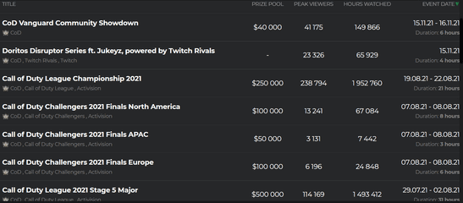
https://escharts.com/tournaments/cod

Famous youtube streamer(globally)- Luke "iFerg" Fergie (mobile),
https://www.youtube.com/channel/UCVYe9OwcrGrlRmlX8cSWgvg
Famous youtube streamer(India)-Ujjwal Gamer is an Indian streamer who used to stream multiple games such as, Minecraft, Call of Duty Warzone, and more games. He currently has 5.65 million subscribers on the platform where he hits 226k peak viewership on his stream in the second quarter of 2021
Top-notch player-Chris “Simp” Lehr. Simp is a player who has earned over $546,000 in CoD tournaments despite being only 19 years old. He has won a couple of tournaments so he is already considered a world champion in the CoD scene.
All player information-
https://cod.tracker.gg/warzone

Free Fire-Garena Free Fire, also known as Free Fire, is a battle royale game
Players(Globally)- Free Fire had a peak of 150 million daily active players in the second quarter.
Players(India)-25 Million active players
Total Application downloads(totally)-Over 1 billion downloads
Total Application downloads(India)-100 million+ (approx)
It does not provide free API
Famous Tournaments-Free Fire World Series 2021 Singapore - 5,414,953 viewers-highest viewership
https://escharts.com/tournaments/free-fire
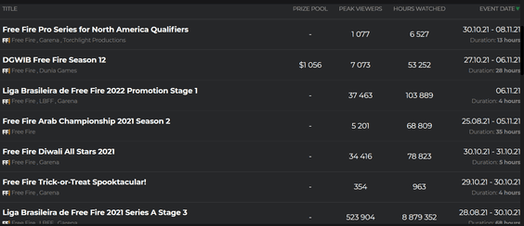

Famous youtube streamer(globally)- NOBRU is a Brazilian video streamer on YouTube.
https://www.youtube.com/channel/UCqWmLengIKFXRjuL1YyXNSg
Famous youtube streamer(India)-Ajjubhai (Total Gaming) takes the top position on this list. He is considered by many to be one of the best Free Fire YouTubers,
https://www.youtube.com/channel/UC5c9VlYTSvBSCaoMu_GI6gQ
Top-notch player-SULTAN PROSLO is a Free Fire gamer of Indonesian server. In 2021, he is considered the world's best Free Fire player.
All player information-
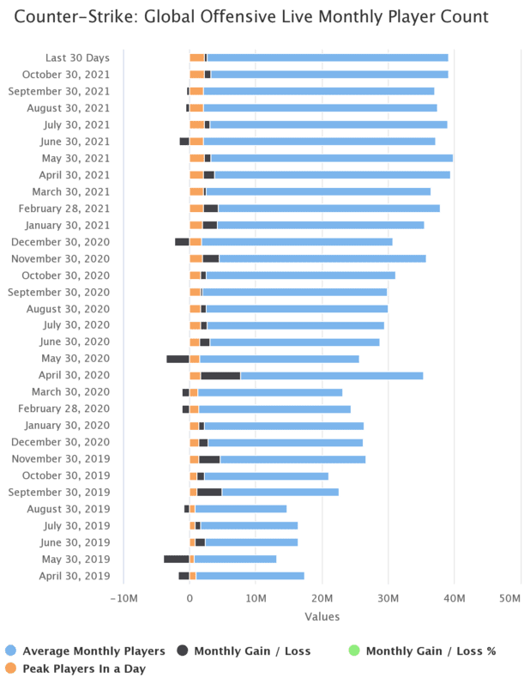
https://gamesight.io/games/Garena-Free-Fire

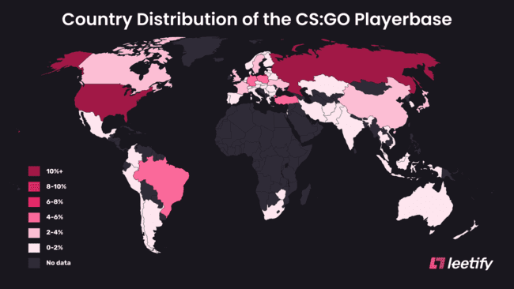
CS go-Global Offensive, like prior games in the Counter-Strike series, is an objective-based, multiplayer first-person shooter. Two opposing teams, the Terrorists and the Counter-Terrorists, compete in game modes to repeatedly complete objectives, such as securing a location to plant or defuse a bomb and rescuing or capturing hostages.
Players(Globally)-An estimated 11,000,000 players per month are estimated to play and the game has gathered an active competitive scene with several tournaments.
Players(India)-
Total Application downloads(totally)-45 million+
Total Application downloads(India)-10 million+(approx)
It does not provide free API
Famous Tournaments-the only recent elite esports tournament with an audience became the most successful CS:GO event of all time. The Peak Viewers number exceeded 2.74M, more than double the previous record. The Major took the CS:GO category to 5th place on Twitch and sits in 7th place in the Top 10 most popular esports events in history.
https://escharts.com/tournaments/csgo
Famous youtube/Twitch streamer(globally)-Alexandre “gAuLeS” Borba is the biggest CSGO streamer in the world and one of Twitch's top earners overall.
https://www.twitch.tv/gaules
Famous youtube streamer(India)- Tbone aka Shobith Rai,
https://www.youtube.com/channel/UCq2f2CXdCL7A0tGQ_yiDQlA
Top-notch player-Mathieu "ZywOo" Herbaut
All player information-
https://www.hltv.org/stats/players

Famous tournaments of all games-
https://www.theloadout.com/tournaments/biggest-esports-tournaments

Organizers
 | Organizers | Organizers | Sponsors |  | TOURNAMENTS
 | There are many organizers of esports competitions in the world. Cloud9, Evolved, and Team Liquid stand out among them. Cloud9 is represented across twelve games with standout teams in League of Legends, Overwatch, and CS:GO. Their crews are considered to be some of the best in the world. Evolved Talent Agency is the world’s largest esports player representation agency, working with hundreds of professional players worldwide. Team Liquid is a multi-regional professional esports organization. In Spain, competition organizers generally follow a process defined by public–private collaboration, with limited sponsorship participation. | Esports (or Electronic Sports) refers to competitions or tournaments organized at a professional level. These competitions are organized on popular video games like Counter Strike, Players Unknown Battlegrounds (popularly known as PubG), DOTA, League of Legends, Freefire and Valorant. These games can be categorized under different genres like MOBA, MMORPG, FPS, RTS etc. | Sponsoring is vital in the esports industry to cover and surmount the generally high costs incurred in preparing esports tournaments. Sponsors and commercial partners (i.e., Gillette, Intel, Monster Energy (the 2016 Esports Commercial Partner of the Year), G Fuel Energy (the 2017 Esports Commercial Partner of the Year), Gatosalvaje, GGTech,and Loaded) have an active role in attracting partners and money, and supporting esports in developing esports tournaments, teams, and streamers to allow many to make a career out of their passion. The industry is attracting major brand sponsors, including Red Bull, McDonald’s, Anheuser-Busch, and Coca-Cola, and many traditional sports brands,including Formula One, NBA, NFL, AFL, and A-League, have established their esports franchises and leagues | 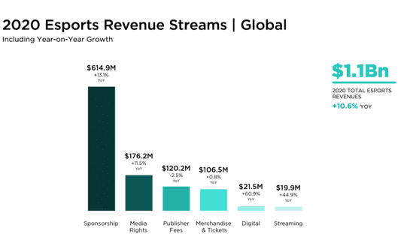 | https://escharts.com/tournaments
 | Counter-Strike | Electronic Sports League (ESL) | Coca-Cola
 | CEVO - CEVO - Empowering Gamers, Growing Communities | These esport tournaments are organized by entities known as tournament organizers (ESL, DreamHack, Garena, PUBG Corporation, Riot Games etc). Some of these are also the game developers or owners who also organize the tournaments like Riot Games organizes LCS and LEC for League of legends and PMCO being organized by Tencent games. Others like ESL and Dreamhack do now own the game IPs but are pure play tournament organizers. | With over 30 billion in revenue annually, Coca-Cola is one of the main sponsors in the esports market. It has been sponsoring the Overwatch League for both 2019 and 2020.
 | Region21 - Scandinavias Premier Esport League |  | Intel
 | ESL - https://play.eslgaming.com | These esport tournaments also have a massive fan following and audience. Being organized both online and offline in arcades and stadiums, online viewership goes into millions for some of the most popular tournaments. | “Intel has partnered with the leading esports leagues, brands, and publishers for nearly two decades, delivering end-to-end pro gaming solutions built on world-class technology that bring spectacular events to the world” (intel.com). It is the main sponsor of one of the most famous tournaments organizers, ESL. They also sponsor the DreamHack Open, DreamHack Masters and many others. It also provides scholarships to NSE students to help them to become pros.
 | ProGamingLeague - PGL |  | Red Bull
 | ESEA - Hate Cheaters? CS:GO Where the Pros Play | Independent/Third-Party Organizer: An organization that hosts esports events but does not own or publish the game(s) played at the event. | Red Bull is involved with different teams and tournaments, including the G2 team, Cloud 9, and the South Korean esports team T1; they have worked with Tyler “Ninja” Blevins, one of the most famous Fortnite streamers; and they also put their name on a League of Legends tournament, the Redbull Factions.
 | FaceIT - Faceit |  | Monster
 | DotA2 |  | https://dotesports.com/business/news/evil-geniuses-monster-energy-celebrate-10-years-of-partnership-with-multi-year-renewal
 | joindotA - http://www.joindota.com/en/leagues |  | “The most successful esports brand of the last decade, winning more than 200 championships across 30 different games.”
 | Esportal - Esportal |  | Mastercard
 | Valve - Valve host all Majors for DotA2 |  | As we’ve previously mentioned, they were the main sponsor for the League of Legends Worlds in 2020.
 | League of Legends |  | Ford
 | Riot - Riot (creator of LoL) host the most noteable competitions such as the LCS |  | In 2021 Ford began a sponsorship of the Rocket League championsip, and they’re also founders of Team Fordzilla.
 | Tier 2 Organizers |  | Vodafone
 | Esports tiers are rankings provided to tournaments based on where they take place, the prize pool and the level of competition present at the event relative to the community. Tier 1 tournaments are professional tournaments, tier 2 are semi-pro tournaments, tier 3 are more-open yet competitive tournaments and tier 4 are less competitive grassroots open-tournaments. |  | They put their name on the ESL Vodafone Championship, the longest running esports championship in Italy. Since 2005 this tournament has been the proving ground for the best players and teams to prove their worth and try to win a prize pool of over € 19,000. They are also founders of the Spanish esports team Vodafone Giants.
 | Tier 2 tournaments are semi-professional tournaments that bring together the best non-professional talent for a game. Tier 2 tournaments are typically scouting grounds for professional teams and occasionally provides the opportunity for semi-pro players to enter tier 1 tournaments. These tournaments feature a decent prize pool and they usually are open to anyone to participate in. |  | Honda
 | BGMI-Battlegrounds Mobile India Series 2021 (BGIS 2021) is the first edition of Battlegrounds Mobile India Series (BGIS). The tournament is organized by KRAFTON and is sponsored by IQOO.BGIS 2021 features a prize pool of ₹1,00,00,000 INR. |  | A new entry into the esports industry. The Japanese automobile company has started sponsoring the League of Legends Championship Series, as well as the most successful team in the esports history, Team Liquid.
 | PUBG tournaments accounted for 40 per cent of all Esports tournament prize money in 2019. |  | Mercedes Benz
 | TIER 2 - These are fairly experienced teams who have played and won some worthy Tournaments ( unofficial) or are semi-finalists or group Finalists of official Tournaments organized by PUBG mobile viz - PMIT , PMIS , PMCO. ( For Indian Region) . Unofficial Tier 2 Tournaments generally come with higher prizepool and invited teams and are organized by orgs that aspires to get recognition in the community . Here is an example of Tier 2 Scrims / Tournament :- |  | They were the first automobile producer to invest in esports in 2019. Now they’re one of the main partners of the ESL.
 | https://www.sportskeeda.com/bgmi/news-battlegrounds-mobile-india-opens-new-registration-feature-third-party-tournament-organizers |  | Razer
 |  |  | Razer is one of the earliest sponsors in the esports industry. Today they sponsor almost 15 different teams, including the Mad Lions, Alliance, Evil Geniuses, PandaCute, Legacy Esports and many more.

 | FREE FIRE
https://tracxn.com/d/trending-themes/Startups-in-Esports-League-Organizers | Free Fire World Series is the first global event of 2021's Competitive Season organized by Garena.
https://escharts.com/organizers?page=2 | Electronic Sports League (ESL)
 | Gamerji Esports Private limited
 | COD
 | Activision.
 | One of the tournaments of COD in 2021 was organized in collaboration with popular technology giant Sony

Competitors
COMPETITIVE ANALYSIS
APPLICATIONS | ABOUT | FOUNDERS | YEAR | SERVICES PROVIDED | OPERATING IN | CUSTOMER BASE
Fanclash | FanClash is an esports startup for gamers to compete, access curated content and get their daily dose of thrill by playing fantasy leagues on popular esports from across the globe.Here,from fantasy to tournaments to latest happenings in the gaming world, FanClash is with the gamers on every step of their Esports fandom. | Rishabh Bhansali,Richa Singh | 2020 | FanClash provides tools to create your own tournaments, play fantasy leagues on leading E-Sports matches, chat with your gamer friends and fans in app.Tournaments of PUBG,COD,Freefire etc | All over the world | 1 lakh+ downloads,60K active users
Fabfive | They are the esports fantasy application. This application gives the ability to create your own fantasy team for the selected tournament and compete with other players. | Oleksandr Ruppelt | 2020 | The main idea of this fantasy e-sports app is to create your own team from players that are competing in the selected event. Once you've created it, then you'll play against other players around the world.Tournaments of PUBG,COD,Freefire etc | All over the world | 5000+
ArenaClash | ArenaClash is a platform for users to participate in daily fantasy drafting for eSports.It is located in Green Bay, United States | Adam Larson | 2015 | The users need not wait for a complete season but the winning amount will be credited to the user's account at the end of the day. Includes tournaments with and without entry fees. | Not available in India
DraftBuff | The online esports fantasy platform. The app is available for Android and iOS users. It monetizes through in-app purchases. | Dylan Sena,Kaustubh Garimella | 2018 | The users can create their own teams, avatars and rise on the leaderboard. The app is available for Android and iOS users. It monetizes through in-app purchases..The platform allows users to play fantasy leagues for games like League of Legends, Counter-Strike, Call of Duty, and more. | All over the world | 50k+
The Applications targeting only Indian crowd are limited, more such apps like MyTournament,Ultimate Battle etc are available but with maximum of 100k+ downloads.

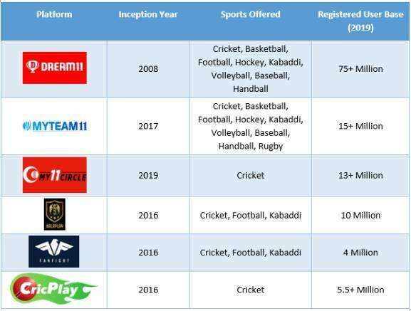
 |  | FANTASY SPORTS APPS

Additional Stats
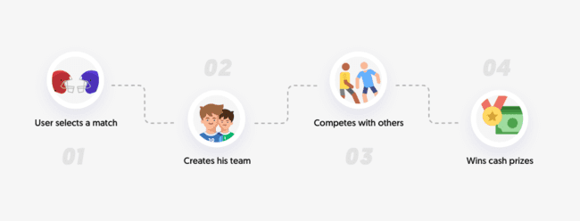
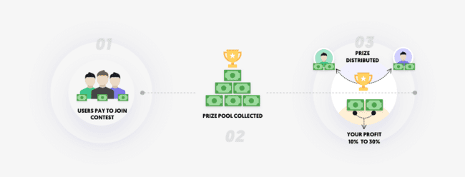

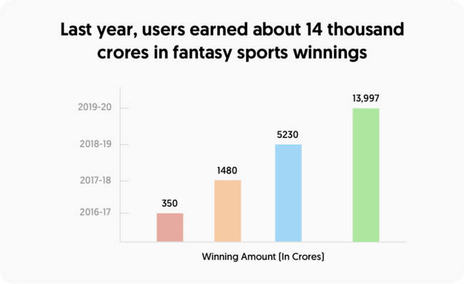
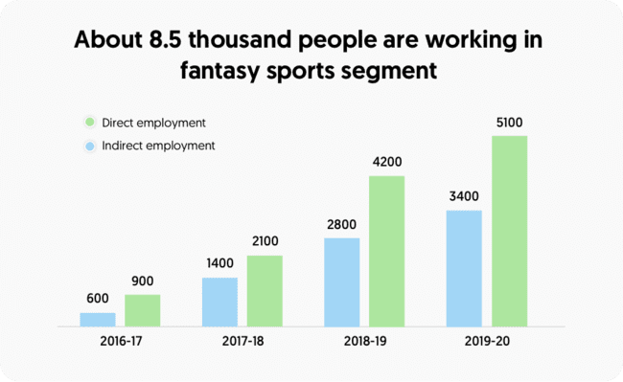
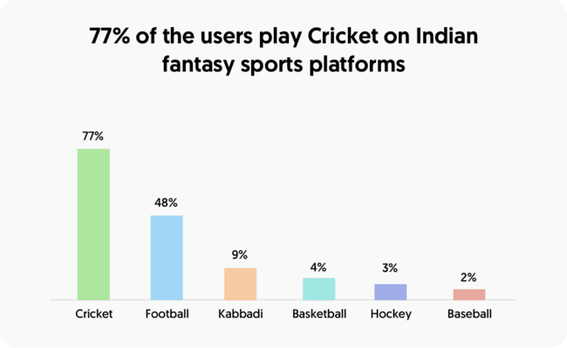
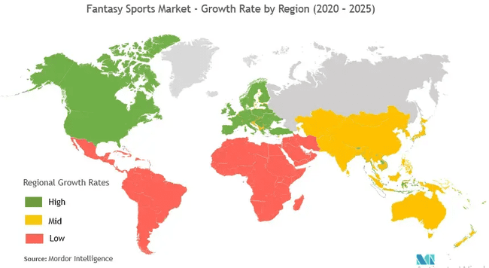

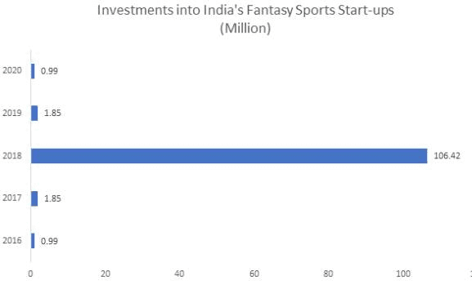

SOURCES:
https://penji.co/esports-marketing/
https://assets.ey.com/content/dam/ey-sites/ey-com/en_in/topics/media-and-entertainment/2021/ey-esports-in-india.pdf?download
https://www.kreedon.com/rise-of-fantasy-sports-in-india-e-sports-past-to-present-growth/
https://blog.vinfotech.com/fantasy-sports/how-big-is-the-fantasy-sports-gaming-market-in-india
https://www.esports.net/fantasy/sports-vs-esports/
https://strivesponsorship.com/wp-content/uploads/2020/03/Global-Esports-Market-Report-2020.pdf
https://www.prnewswire.com/news-releases/fantasy-sports-global-market-report-2021-301366118.html
https://digitalcommons.tamusa.edu/cgi/viewcontent.cgi?article=1003&context=market_faculty
https://www.statista.com/statistics/1235702/india-online-fantasy-sport-market-value/
https://www.ibef.org/blogs/india-has-a-huge-potential-for-fantasy-sports
https://www.statista.com/statistics/1235702/india-online-fantasy-sport-market-value/
https://www.alliedmarketresearch.com/fantasy-sports-market-A06468
https://liquipedia.net/pubg/Battlegrounds_Mobile_India_Series/2021
https://images.assettype.com/afaqs/2021-06/1ef54dc8-61db-410d-893e-957ce23e0103/Beyond_the_tipping_point__A_primer_on_online_casual_gaming_in_India_low_size.pdf
VIEWERSHIP DATA

